Project Description
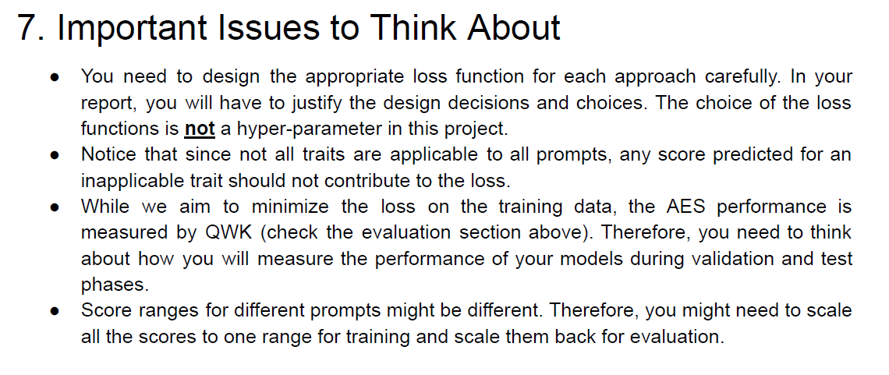
Title | Description
Approach A | we will build a model for holistic scoring. It takes as input the set of 86 features and outputs a single score. The model is based on shallow/deep fully-connected neural networks and is trained and tested using the provided dataset.

Experimental setup | we divide the essays into eight folds based on the prompt for which an essay is written. for each target prompt (fold) experiment, you will use that fold (the essays written for that prompt) for testing, and the remaining seven folds (the essays written for other prompts) for model training and tuning. Then, for each target prompt, you will actually do 7-fold cross-validation to tune your hyper-parameters.

Evaluation Metric | QWK for validation and testing
Training & Hyperparameter tuning | Notice that you will need to tune the hyper-parameters separately for each target prompt using 7-fold cross-validation
 | Hyperparameter tuning
 | hidden Layers |  | hidden units | LR | Early stopping | batch size | adamW optimiser | L2 regularization
 | 1 2 4 8 |  | 8 16 32 | 0.001 0.01 0.1 | Start with 15, then find the best | start with 4, then optimise | B1 = 0.9 B2 = 0.999. | λ=0.1
 | We will only use ReLU activation function for all hidden layers. We will use one loss function for Approach A and another for Approach B. We will not use dropout.

 | In step 2, After you tune the above hyper-parameters (i.e., finding the best value for each of the ones you changed), you will tune the batch size hyper-parameter. The possible values are 4, 8, 16 and 32, while fixing the values of all other hype-parameters.

To start, work only on the holistic scoring for one target prompt. Once you do that, repeat for other target prompts. That means that your code should be reusable and generic enough to do that.

Submission | Code | Wrap up all of your scripts in one zip file called GX_code.zip (where X denotes your group number). Your code should be clean and well-documented. Along with the code, you will submit a guide (like a README) on how to run your code and replicate all of your experiments.

 | Models | For each approach, you will submit (1) 8 different models, one trained for each target prompt, and (2) one additional “deployed” model for each approach that will be used to grade essays on unseen prompts at our end.

